reco
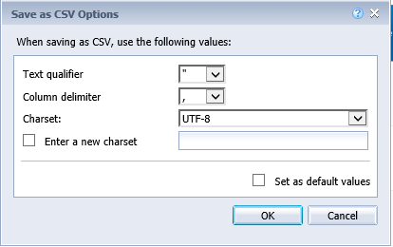
 |  |  | CBMS Reconciliation Upload

Note : Set each of the parameters below and then click “UPLOAD CBMS

 | Data Upload Directory : | #NAME? | Note : Ensure file is saved in this directory. This is set up by Administrators

 | Enter File Name : | flatfile upload.csv | Note : Add the file extension (*.csv)

 | Upload Validation : | #NAME?

 | Exception Log Directory : | #NAME? | Note : When upload FAILS, error log files will be stored in this folder

 | Note : | The upload process will put you in a queue and may take a few moments to complete.

 | General Comments : | BEFORE YOU BEGIN
 |  | Please ensure the upload file has enforced the following formats :
 |  | - Download the 'AEOR 13 Annual Estimates Detail Listings (AEIFRS report PBF)' from CBMS
 |  | - Export CBMS document as 'CSV Archive'.
 |  | - Delete the first 6-8 header rows in the file.
 |  | - Remove carriage returns. Usually on the Period Headings in the CBMS File. (Columns AJ1 to AY1)
 |  | - General Format in excel
 |  | - No commas (,) to seperate thousands
 |  | - Zeroes are set as 0 not dashes (-)

 | CBMS Export Document Settings : | Ensure the CSV Options are set as follows :

